3rd Boys
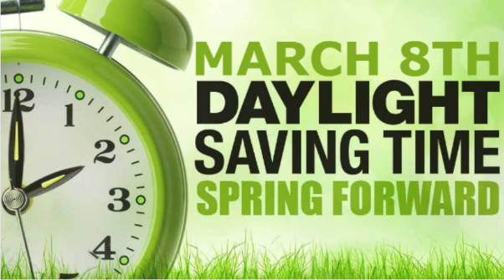
3RD GRADE BOYS
LOCATION (unless noted below): Helena Middle School

SATURDAY - MARCH 7, 2020
TIME | GRADE | HOME (light) |  | VISITOR (dark) | GYM | WINNER | SCORE
8:00:00 | 6th Boys | HELENA OUTLAWS | VS | GT FALLS ELITE | HMS | GT FALLS ELITE | 42 - 28
9:00:00 | 3rd Boys | HELENA LIL SAINTS | VS | HELENA TAR HEELS | HMS | HELENA LIL SAINTS | 30 - 14
10:00:00 | 3rd Boys | BEARCATS - VOLLERTSON | VS | MISSOULA HAWKS | HMS | BEARCATS - VOLLERTSON | 23 - 22
11:00:00 | 6th Boys | MISSOULA REGULATORS | VS | CF SUPERSONICS | HMS | CF SUPERSONICS | 36 - 24
11:00:00 | 3rd Boys | HELENA LIL SAINTS | VS | CLANCY PANTHERS | CRA Upper | HELENA LIL SAINTS | 42 - 5
12:00:00 | 6th Boys | HELENA OUTLAWS | VS | MALTA MUSTANGS | HMS | MALTA MUSTANGS | 35 - 28
1:00:00 | 5th Girls | LIL LADY BULLDOGS | VS | EH 406 SWISH | HMS | LIL LADY BULLDOGS | 16 - 14
2:00:00 | 3rd Boys | BEARCATS - VOLLERTSON | VS | HELENA FOUR-O-SIXERS | HMS | BEARCATS - VOLLERTSON | 23 - 20
3:00:00 | 6th Boys | MISSOULA REGULATORS | VS | HELENA WARRIORS | HMS | MISSOULA REGULATORS | 51 - 24
4:00:00 | 3rd Boys | HELENA TAR HEELS | VS | CLANCY PANTHERS | HMS | HELENA TAR HEELS | 26 - 15
5:00:00 | 3rd Boys | MISSOULA HAWKS | VS | HELENA FOUR-O-SIXERS | HMS | HELENA FOUR-O-SIXERS | 30 - 22


3RD GRADE BOYS
LOCATION (unless noted below): Helena Middle School

SUNDAY - MARCH 8, 2020
TIME | GR/GM | HOME (light) |  | VISITOR (dark) | GYM | WINNER | SCORE
8:00:00 | 6th Boys Game #3 | 3RD PLACE POOL A GT FALLS THUNDER | VS | 3RD PLACE POOL B GT FALLS REBELS | HMS | GT FALLS THUNDER | 46 - 37
8:00:00 | 3rd Boys Game #1 | 3RD PLACE POOL A CLANCY PANTHERS | VS | 3RD PLACE POOL B MISSOULA HAWKS | CRA Upper | MISSOULA HAWKS | 26 - 17
9:00:00 | 3rd Boys Game #2 | 2ND PLACE POOL A HELENA TAR HEELS | VS | 1ST PLACE POOL B BEARCATS-VOLLERTSON | HMS | HELENA TAR HEELS | 25 - 14
10:00:00 | 3rd Boys Game #3 | 1ST PLACE POOL A HELENA LIL SAINTS | VS | 2ND PLACE POOL B HELENA FOUR-O-SIXERS | HMS | HELENA LIL SAINTS | 47 - 13
11:00:00 | 5th Girls Game #4 | 2ND PLACE POOL B HI-LINE HOOPS | VS | WINNER GAME #1 GT FALLS HOTSHOTS | HMS | HI-LINE HOOPS | 27 - 15
12:00:00 | 3rd Boys | LOSER GAME #3 HELENA FOUR-O-SIXERS | VS | LOSER GAME #1 CLANCY PANTHERS | HMS | HELENA FOUR-O-SIXERS | 24 - 13
1:00:00 | 3rd Boys | WINNER GAME #1 MISSOULA HAWKS | VS | LOSER GAME #2 BEARCATS - VOLLERTSON | HMS | MISSOULA HAWKS | 15 - 12
2:00:00 | 3rd Boys | WINNER GAME #2 HELENA TAR HEELS | VS | WINNER GAME #3 HELENA LIL SAINTS | HMS | **Championship Game** HELENA LIL SAINTS | 30 - 18
3:00:00 | 6th Boys | LOSER GAME #2 HELENA NBN | VS | WINNER GAME #3 GT FALLS THUNDER | HMS | GT FALLS THUNDER | 25 - 18
4:00:00 | 6th Boys | 3RD PLACE POOL A MALTA MUSTANGS | VS | 3RD PLACE POOL B MISSOULA REGULATORS | HMS | MISSOULA REGULATORS | 49 - 36
5:00:00 | 6th Boys | LOSER GAME #1 ELKHORN | VS | LOSER GAME #3 GT FALLS REBELS | HMS | ELKHORN | 45 - 18

